Worked example
Process to establish if the height of a development will impact on the skypace of a key view
Identify which key views will be affected and find the associated information sheet online (see example below). The location of points A, B and C are identified on the information sheet with their associated above ordnance datum (AOD) heights
 | Worked example:
 | Key View | C11e |  | metres

 | Step 1 | Insert level at A + 1.5 for eye level |  | 70.5 | A= 69m, add 1.5m for eyel level

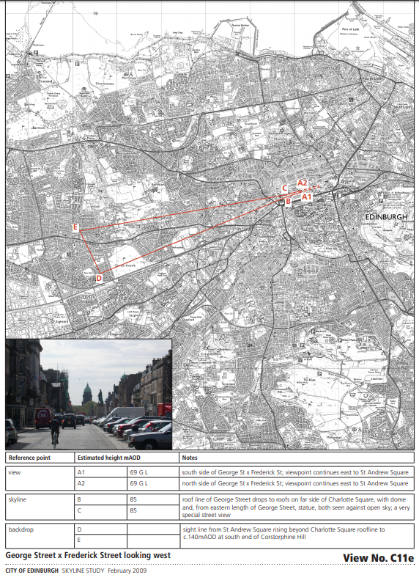
 | Step 2 | Insert level at BC |  | 85.0

 |  | Height Difference |  | 14.5

 | Step 3 | Measure and insert distance A - BC |  | 550.0

 | Step 4 | Measure and insert distance A - P |  | 1850.0
 |  | (P = Proposal site)
 |  | Gradient of bottom of viewcone | rising 1 in | 37.9

 |  | Level in mAOD above site to bottom of viewcone |  | 119.3

